1. Title Page
[Project Name]

Project Name: Instacart Grocery Basket Analysis
Date: 03/17/2023
Analyst Name: Rusamijan Permison

Contents:
Population Flow
Consistency checks
Wrangling steps
Column derivations
Visualizations
Recommendations

2. Population Flow
Title page

Population flow

Exclusion flag
Condition: max_order < 5
Obervations to be removed: first_name, surname or PII
Final total count of order_products_all: 30,964,564

Orders_products_combined
Orders_products_merged
Orders_products_all

Total: 32,404,859
Total: 32,434,489
Total: 30,964,564

1.) The grey boxes in the first row of the population flow represent the original data sets as they were when you downloaded them. In the Total fields you need to add the count of the rows when you imported the data set into Jupyter.
2.) The second row of boxes (coloured) represents the data sets after you manipulated them, e.g., removed missing values and duplicates. In the Total fields you need to add the count of the rows after conducting these operations. This offers a visual oveview of how the data flows throughout the data consistency checks.
3.) The third row, where also the arrows are coloured, represents the merges you performed between the datasets. In the Total fields you need to add the count of the rows in the merged datasets, so that you end up with the final dataset (in the red box). Keep in mind the final dataset should be without exclusions (based on the exclusion flag).

3. Consistency checks
 |  |  |  |  |  | Title page
Consistency checks

Dataset | Missing values | Missing values treatment | Anomaly | Mixed-type column | Duplicates
orders | 206,209 missing values in 'days_since_prior_order' | I decided not to make any change at the missing value. A value of 1 in the 'order_number' column can act as a flag for a new customer. |  | 0 | 0
products | 16 missing values in 'product_name' | Create new df without missing product names after removal | A maximum price in prices, 99,999, is too high in 'df_prods' and seems to be an outlier for a grocery item (milk 2%) so we set them as NaNs. | 0 | 5
orders_products_prior | 0 missing | N/A |  |  | 0
customers | 0 missing | The original file has missing values at first_name column but I excluded first names and surname due to PII consideration |  | 0 | 0
department | 0 missing |  | 0 | 0 | 0

4. Wrangling steps
 |  |  |  |  |  | Title page
Wrangling steps

Data set | columns | Columns dropped | Columns renamed | Columns' type changed | Comment/Reason
Orders | orders_id
 | user_id
 | eval_set | eval_set |  |  | Not needed for analysis
 | order_number
 | order_dow |  | orders_day_of_week |  | Name clarity
 | order_hour_of_day
 | days_since_prior_order
Prods | product_id
 | product_name
 | aisle_id
 | department_id
 | prices
Departments | Transposed to better merge with data sets
Customers | user_id
 | First Name | First Name |  |  | Not needed for analysis and PII
 | Surnam | Surnam |  |  | Not needed for analysis and PII
 | Gender |  | Changed to 'gender' |  | Consistent naming conventions
 | STATE |  | Changed to 'state' |  | Consistent naming conventions
 | Age |  | Changed to 'age' |  | Consistent naming conventions
 | date_joined |  | Changed to 'date_of_registration' |  | Consistent naming conventions
 | n_dependants |  | Changed to 'number_dependants' |  | Consistent naming conventions
 | fam_status |  | Changed to 'marital_status' |  | Consistent naming conventions
 | income

5. Column derivations
 |  |  |  | Title page

Column derivations and aggregations

In this tab you should add tables below that the frequences of flags/label variables that you produced after deriving them. NB: don't do this for continuous variables, only for flags.
Dataset | New Column | Column/s It Was Derived From | Conditions
orders_products_merged.pkl (In Task_4.7)) | price_range | prices | <= 5 : 'Low-range product'
 |  |  | (> 5) & ( <= 15) : 'Mid-range product'
 |  |  | > 15: 'High range'
 |  |  | else: 'Not enough data'
 | busiest day | orders_day_of_week | =0: 'Busiest day'
 |  |  | =4: 'Least busy'
 |  |  | else: 'Regularly busy'
 | busiest_days | orders_day_of_week | '=0 | = 1 : 'two busiest days'
 |  |  | =4 | =3 : 'two slowest days'
 |  |  | else: 'Regularly days busy days'
 | busiest_period_of_day | order_hour_of_day | value in [10,11,14,15,13,12,16,9] : Most order
 |  |  | value in [23,6,0,1,5,2,4,3]: Fewest order
 |  |  | else: Average oder
orders_products_merged_update.pkl (In Task_4.8) | loyalty_flag | max_order | > 40 : 'Loyal customer'
 |  |  | <= 40 & >10 : 'Regular customer'
 |  |  | <=10 : 'New customer'
 | spending_flag | avg_price (mean of price per user) | <10 : 'Low spender'
 |  |  | >=10 : 'High spender'
 | order_frequency_flag | median_prior_orders | > 20 : 'Non-frequent customer' >10 & <=20: 'Regular customer' <=10 : 'Frequent customer'
orders_products_customers_all.pkl (In Task_4.10 part1) | region | state | Northeast' : ['Maine', 'New Hampshire', 'Vermont', 'Massachusetts', 'Rhode Island', 'Connecticut', 'New York', 'Pennsylvania', 'New Jersey 'Midwest' : ['Wisconsin', 'Michigan', 'Illinois', 'Indiana', 'Ohio', 'North Dakota', 'South Dakota', 'Nebraska', 'Kansas', 'Minnesota', 'Iowa', 'Missouri'] 'South' : ['Delaware', 'Maryland', 'District of Columbia', 'Virginia', 'West Virginia', 'North Carolina', 'South Carolina', 'Georgia', 'Florida', 'Kentucky', 'Tennessee', 'Mississippi', 'Alabama', 'Oklahoma', 'Texas', 'Arkansas', 'Louisiana'] 'West' : ['Idaho', 'Montana', 'Wyoming', 'Nevada', 'Utah', 'Colorado', 'Arizona', 'New Mexico', 'Alaska', 'Washington', 'Oregon', 'California', 'Hawaii']
 | activity_flag | max_order | <5 : 'Low activity'
 |  |  | >=5 : 'High activity'
high_activity_customers.pkl (In Task_4.10 part2) | age_category | age | (>= 18) & (< 40) : 'Youth'
 |  |  | (>= 40) & ( < 65) :'Middle age'
 |  |  | >= 65 : 'Senior'
 | customer_order_habit | order_hour_of_day | value in [10,11,14,15,13,12,16,9] : Night Owl
 |  |  | value in [23,6,0,1,5,2,4,3]: Early Bird
 |  |  | else: Regular
 | income_category | income | < 70000 : 'Low' (>= 70000) & (< 100000) : 'Middle' (>= 100000) & (< 130000) : 'Upper mid' > 130000 : 'High'
 | family_size | number_depandants | 0 : 'Small'
 |  |  | 1 |2 : 'Mid size'
 |  |  | >2 : 'Large'
 | household | marital_status and number_depandants | ('marital_status' = 'married') & ('no_of_dependents') = 1 : 'Couple without children' ('marital_status' = 'married') & ('no_of_dependents' >= 2) : 'Couple with children' ('marital_status' = 'divorced/widowed') | ('marital_status'= 'single') :'One person' ('marital_status' = 'divorced/widowed') & ('no_of_dependents' > 0 ) : 'Single parent' 'marital_status' = 'living with parents and siblings' : 'Other family'
 | alcohol_drinker | department | !='alcohol' : 'No' ='alcohol' : 'Yes'
 | has_babies | department | "!='babies' : 'No' ='babies' : 'Yes'"
 | pet_owner | department | = 'pet' : 'Yes' != 'pets' : 'No'
 | vegetarian | department | != 12 | 20 : 'Yes' Otherwise : 'No'
 | Customer_profile: income_retired | income and age | income > 128102 & 'age'> 6 = Rice Retired
 |  |  | income < 128102 & 'age' < 65 = 'Average Retired'
 |  |  | income < 67292 & 'age'> 65 'profile' ='Poor Retired'
 | Customer_profile: : income_families | number_depandants and income | number_dependants' > 1 & 'income' > 128102 'profile' = 'High-Income Family'
 |  |  | number_dependants' > 1 & 'income' >67292 & 'income' < 128102 = 'Average-Income Family'
 |  |  | number_dependants'> 1 & 'income' < 67292 = 'Low-Income Family'

6. Visualizations
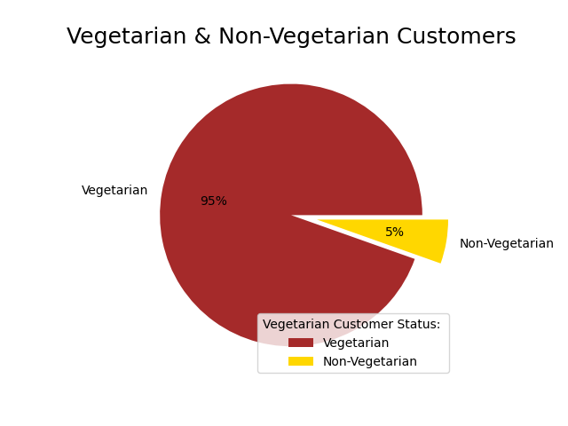
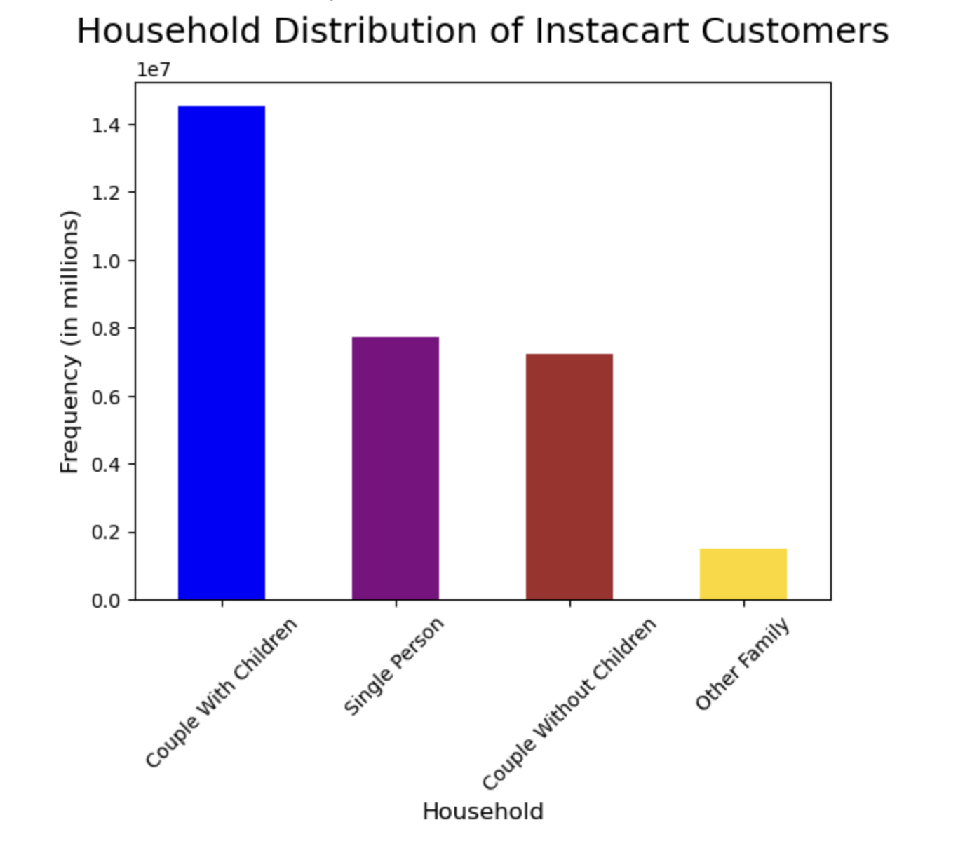
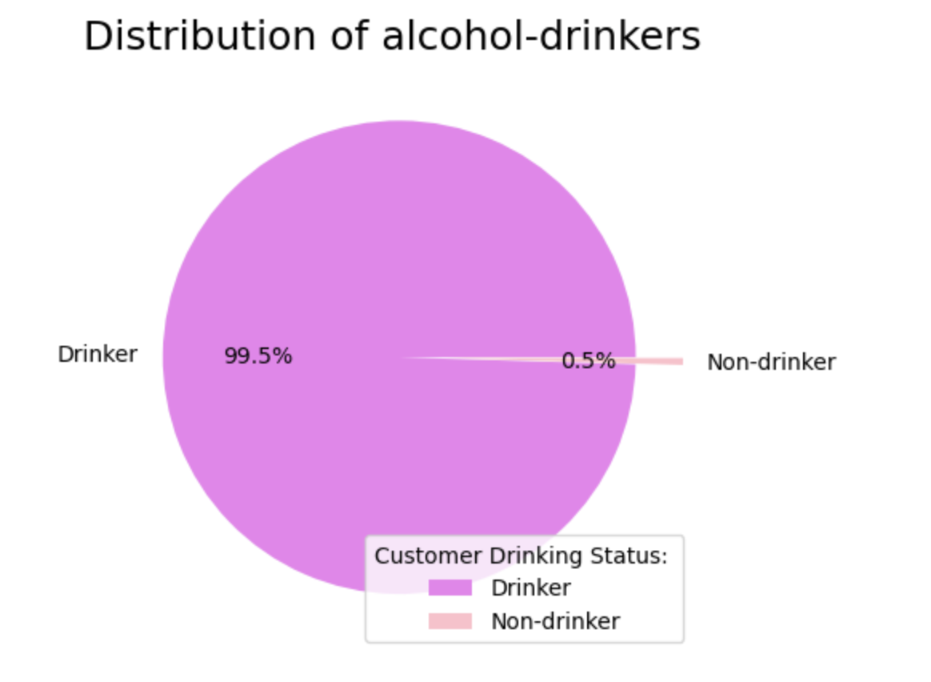
 |  |  |  |  |  | Title page

Visualisations

In this tab you should include all the visualtions from Exercises 4.9 and 4.10, alongside the questions from the project brief that they answer. Include any commentary on the relationship between different variables.

Question 1: | The Sales team needs to know what the busiest days of the week and hours of the day are (i.e., the days and times with the most orders) in order to schedule ads at times when there are fewer orders.
Answer: | The busiest days of the week are 0, 1, 6 which mean Saturday, Sunday and Friday
 | 10:00 am - 3:00 pm are the busiest time of day for placing orders, with a sharp decline between 6:00 pm - 8:00 am the following day
 | Scheduling targeted ads from Thursday onwards could help drive up sales.

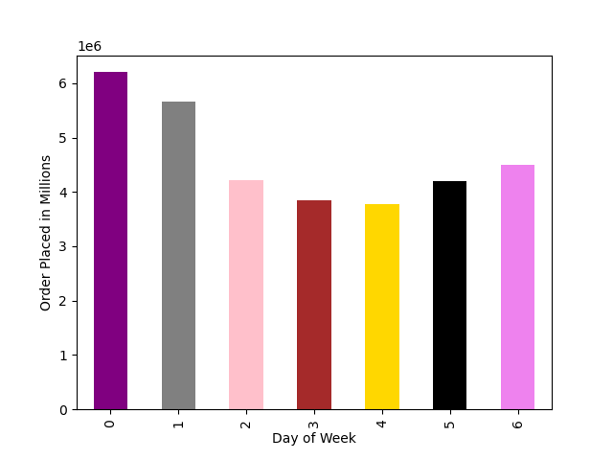
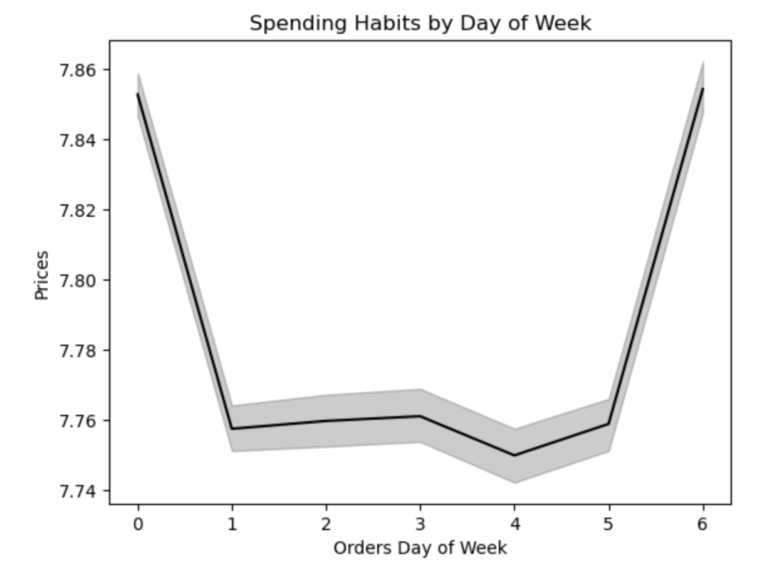
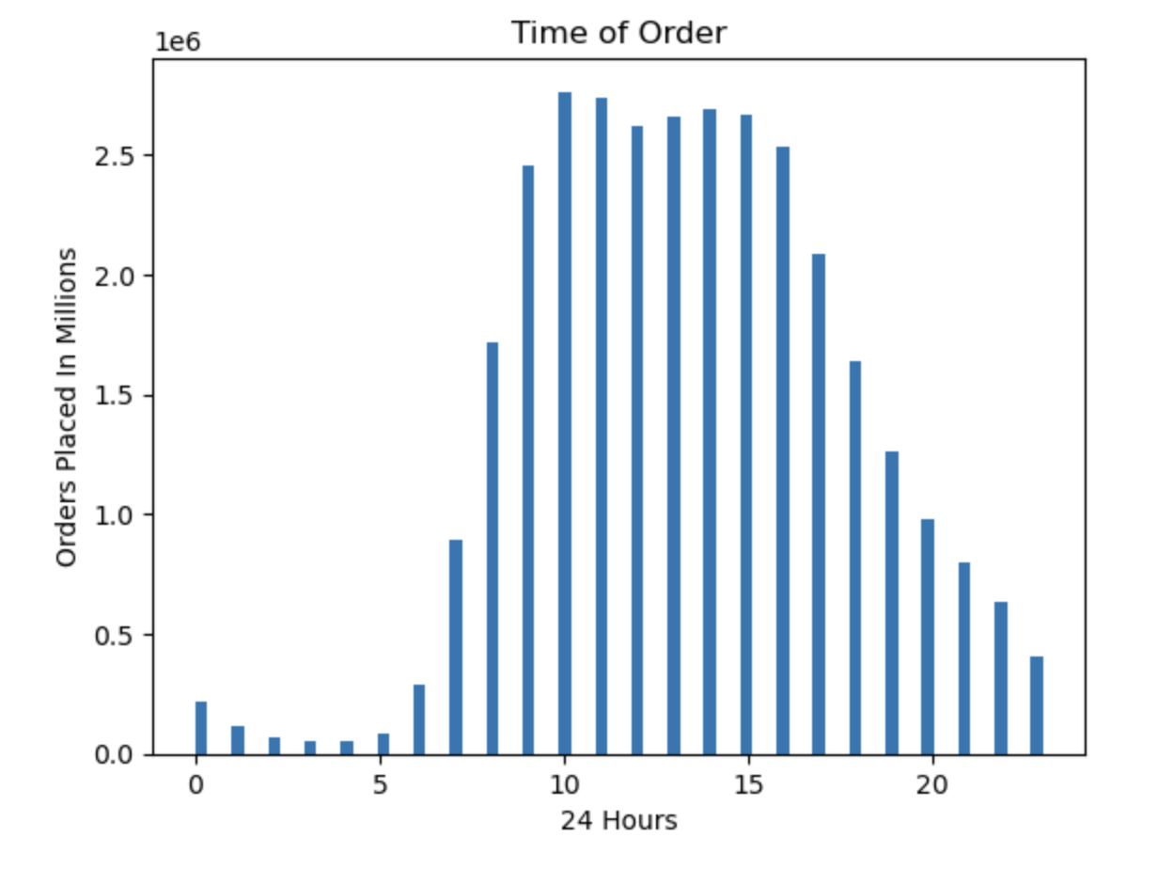

Question 2: | The Sales team also want to know whether there are particular times of the day when people spend the most money, as this might inform the type of products they advertise at these times.
Answer: | Low frequency orders with high expenditure are placed between 6:00 am - 8:00 am
 | There are 2 peak shopping times during the day, 12:00 pm & 9:00 pm
 | Based on Instacart customers order time habits:
 | Early Birds: 5:00 am - 8:00 am
 | Regular: 9:00 am - 11:00 pm
 | Night Owls: 12:00 am - 4:00 am
 | The majority of orders come from Regular customers making up over 80% of all Instacart orders
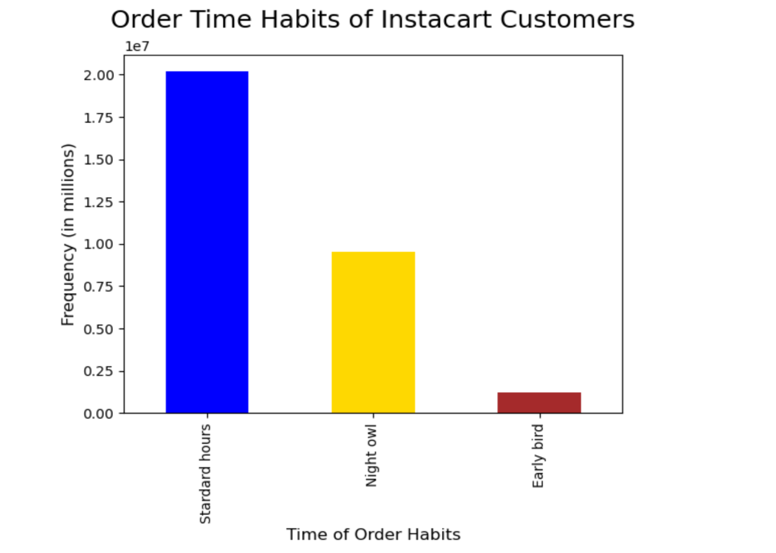
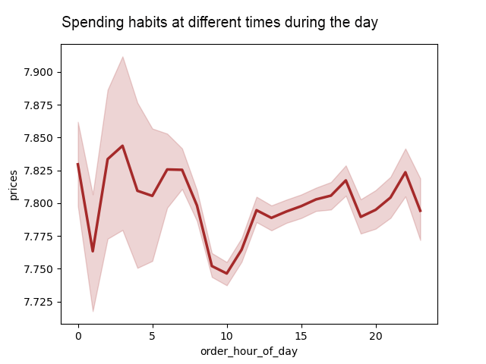

Question 3: | Are there certain types of products that are more popular than others? The marketing and sales teams want to know which departments have the highest frequency of product orders
Answer | Products were categorized into 3 different price groups: Low-range, Mid-range & High-range
 | The majority of products fall within the medium and low-range product groups.
 | Meat/seafood has the highest proportion of high range product
 | Produce and Diary/Eggs has the highest proportion of mid range product
 | Meat/seafood has no mid-range products.
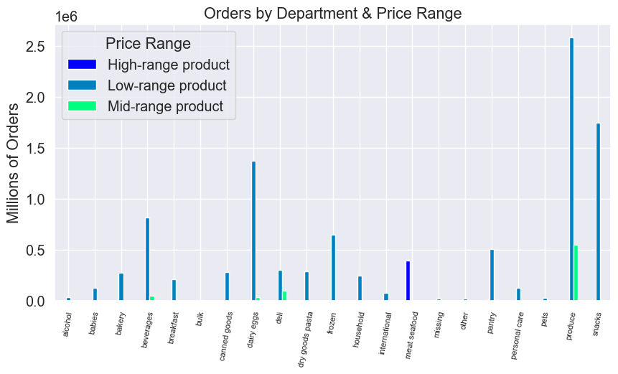
 | Snacks is the only department with more low-range products than medium or high.
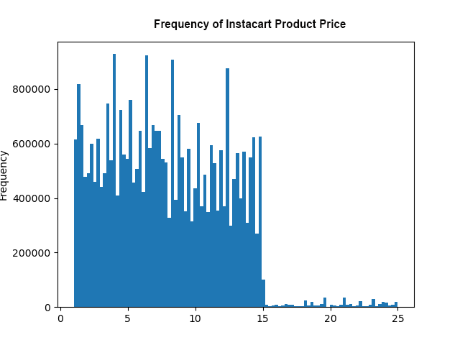
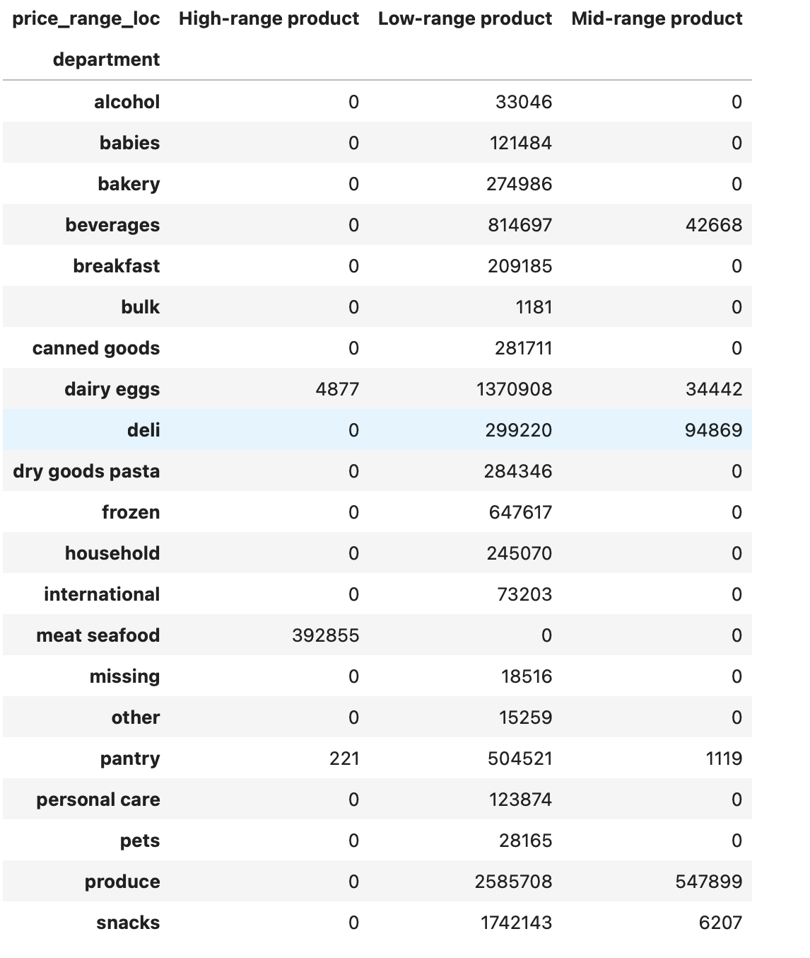

 |  |  |  | Price grouping conditions

 |  |  |  | <= 5 : 'Low-range product'

 |  |  |  | (> 5) & ( <= 15) : 'Mid-range product'

 |  |  |  | > 15: 'High range'

 |  |  |  | else: 'Not enough data'

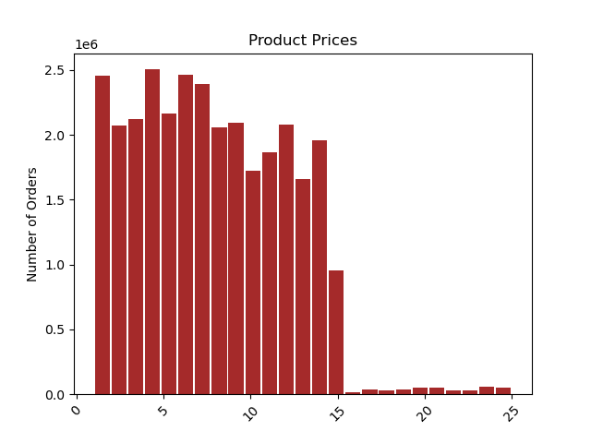
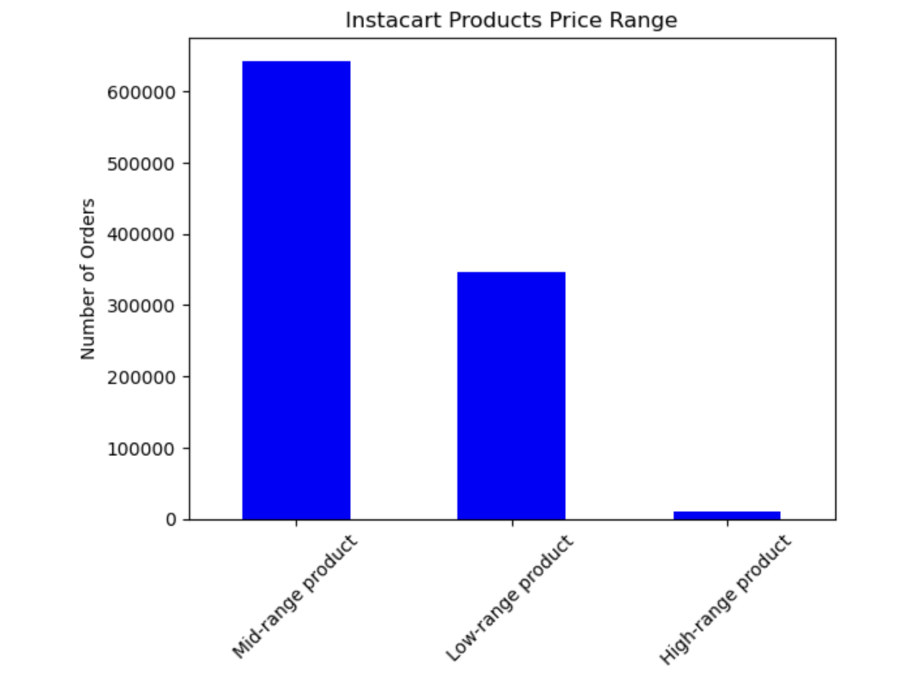

Question 4: | Are there certain types of products that are more popular than others? The marketing and sales teams want to know which departments have the highest frequency of product orders
Answer | As stated above, the most popular departments are produce followed by dairy/eggs.
 | We see the same results when looking at the data across our grouped time periods, with produce and dairy/eggs being the most popular across the day

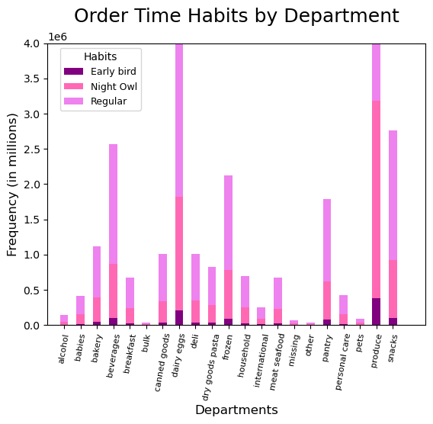
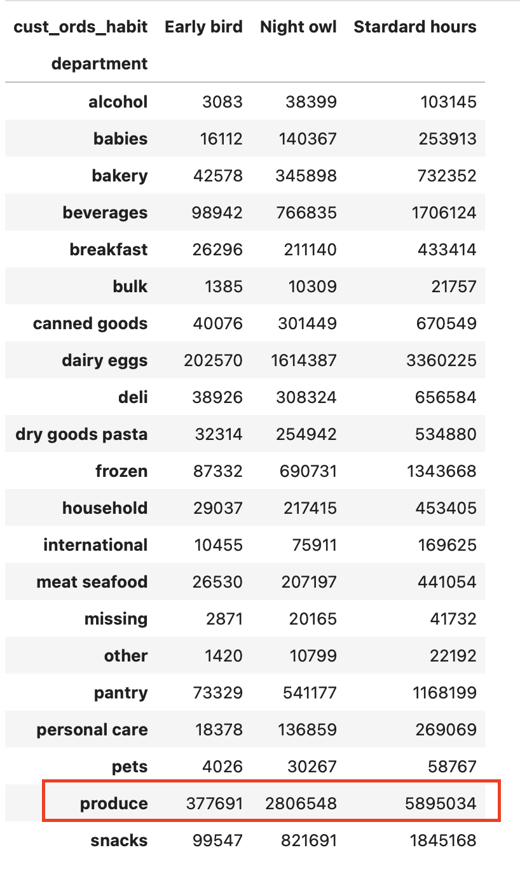

Question 5 | The marketing teams and sales teams are particularly interested in the different types of customers in their system and how their ordering behaviours differ. For example
 | 1. What's the distribution among users in regards to their brand loyalty (i.e., how often do they return to Instacart)?
 | 2. Are there differences in ordering habits based on a customer's loyalty status?
 | 3. Are there differences in ordering habits based on a customer's region?
 | 4. Is there a connection between age and family status in terms of ordering habits?
 | 5. What different types of classifications does the demographic information suggest? Age? Income? Certain types of goods? Family status?
 | 6. What differences can be found in ordering habits of different customer profiles? Consider the price of orders, the frequency of orders, the products customers are ordering, and anything else you can think of.

 | 1. What's the distribution among users in regards to their brand loyalty (i.e., how often do they return to Instacart)?
Answer | We grouped order numbers into three categories:
 | Loyal customer: over 40 orders |  | Regular customer: between 10 and 40 orders |  | New customer: less than 10 orders (anyone with less than 5 orders were removed from the data set per client request)
 | We found that regular customers account made the most order, followed by loyal customers , and finally, new customers

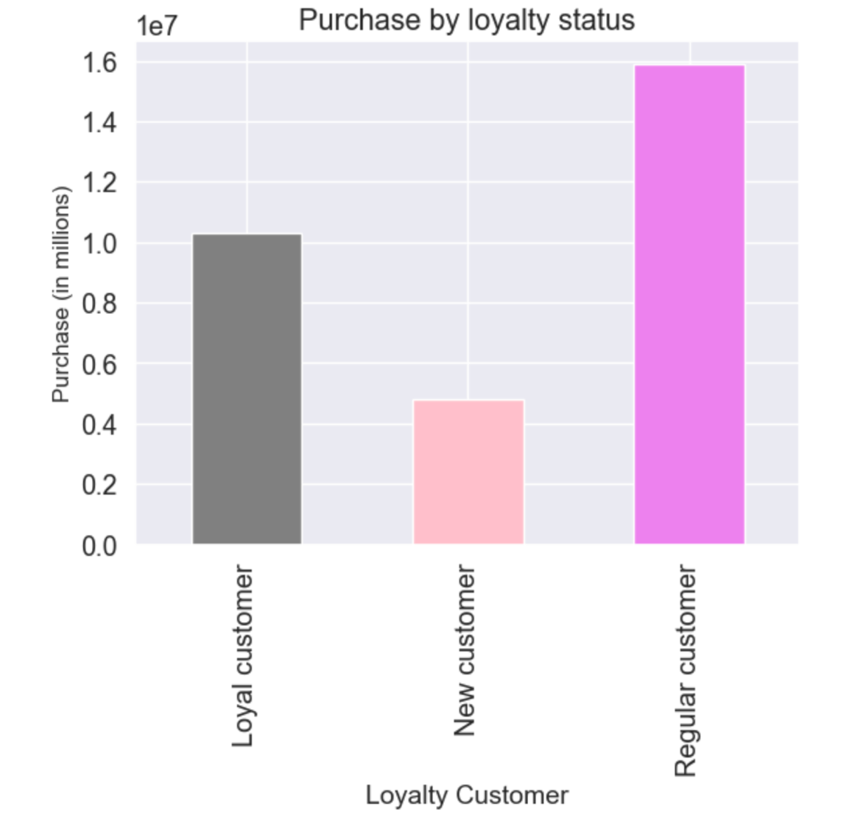
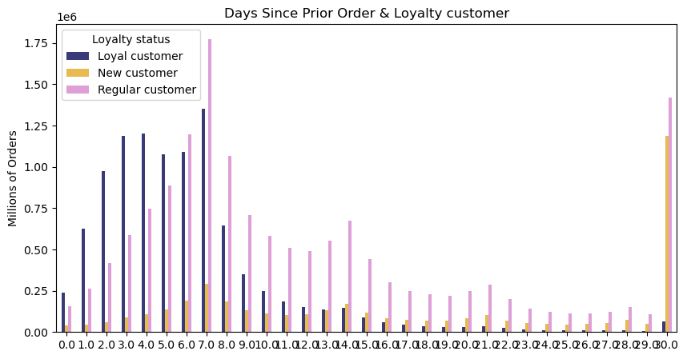

 | Loyalty status grouping conditions
 | <= 10 : 'New customer'

 | (> 10) & ( <= 40) : 'Regular customer'

 | > 40: 'Loyal customer'

 | else: 'Not enough data'

 | 2. Are there differences in ordering habits based on a customer's loyalty status?
Answer | Regular customers order the most items per department with the majority of items coming from Produce, then Dairy & Eggs and finally snacks
 | Loyal customers order 2nd most by department and New customers ordering the least amount of items by department

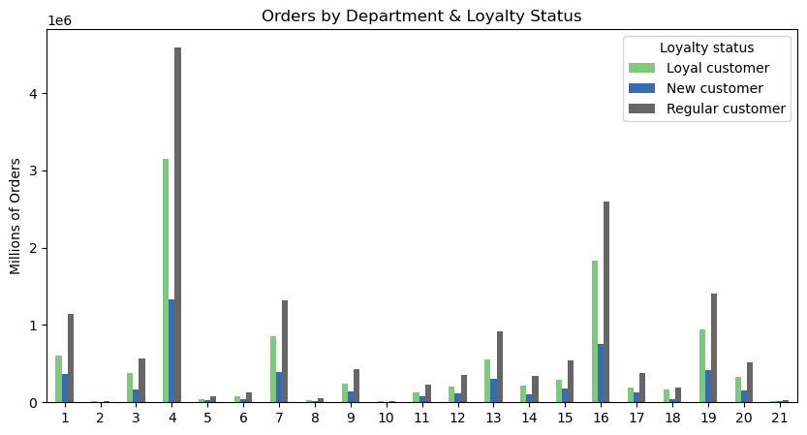

 | 3. Are there differences in ordering habits based on a customer's region?
Answer | The South region has the largest number of purchases, followed by the West, Midwest, and finally, Northeast.
 | Vegetarians are the most instacart users, loyalty customer fall into regular customer
 | The Southern customers tend to be regular customers in terms of ordering-time habits, they also tend to fall into the low-income class
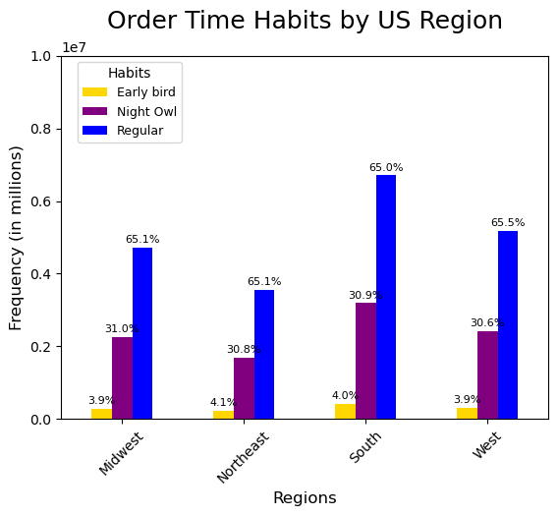
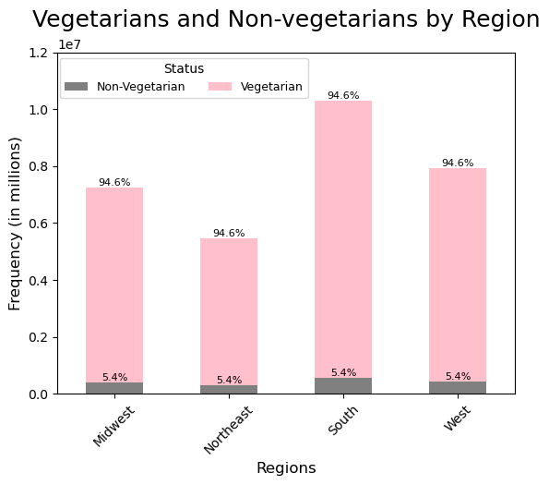

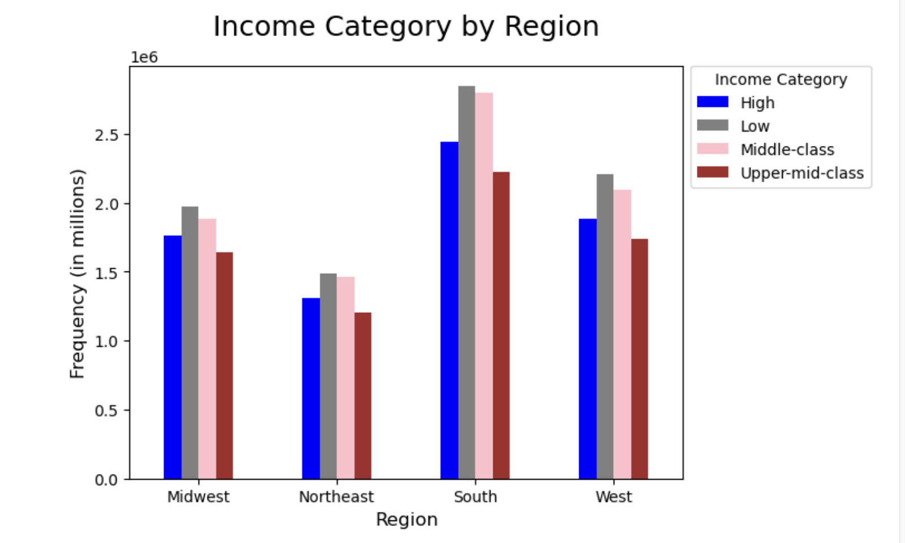

 |  | 4. Is there a connection between age and family status in terms of ordering habits?
 | Answer | Average-retired customers are the most Instacart customers
 |  | Middle-aged people tend to purchase the most items out of the 3 age groups and tend to shop on the weekends
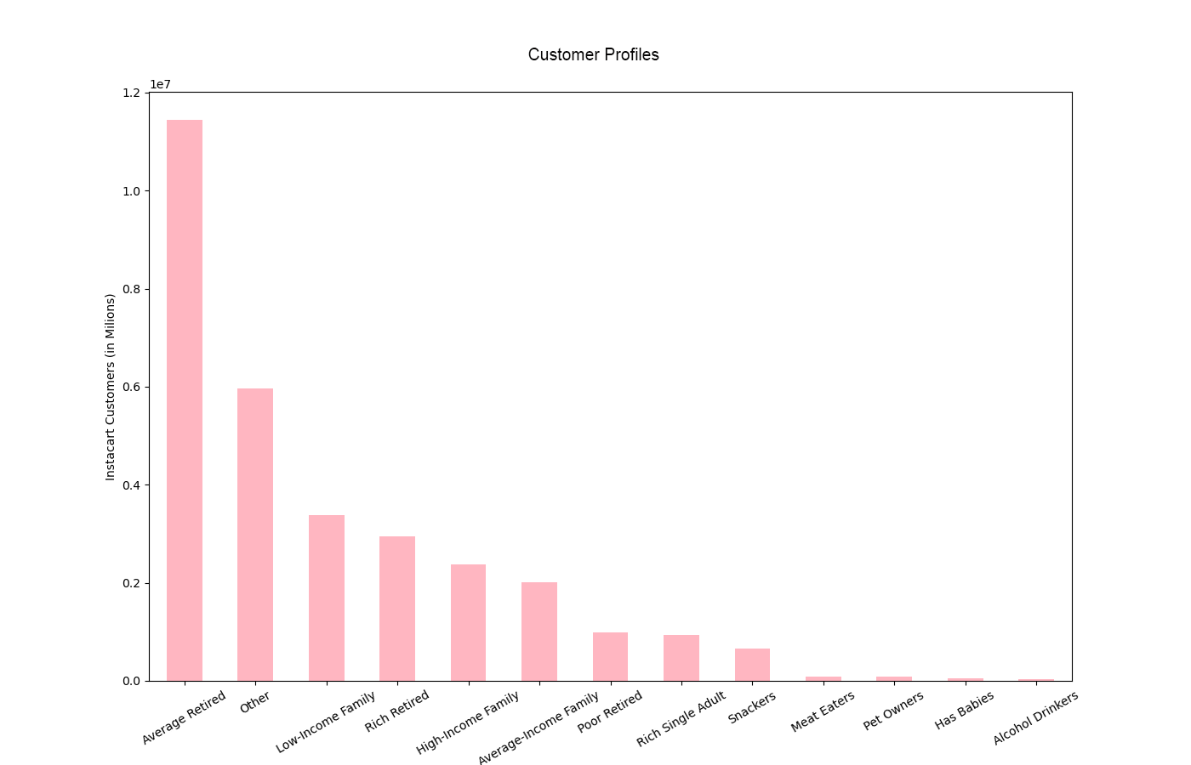

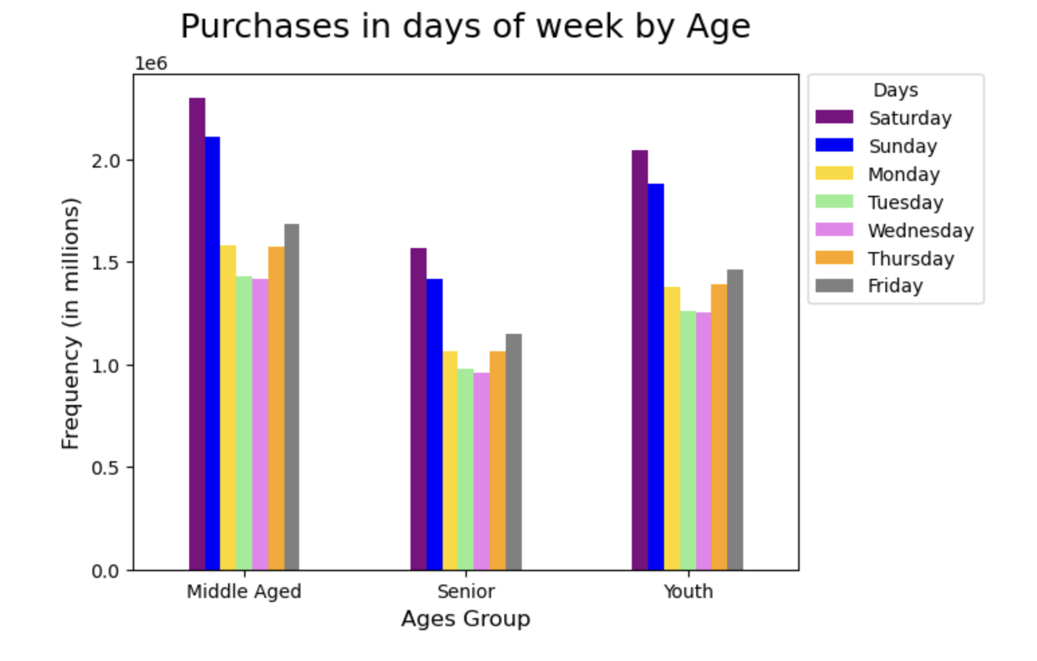

 |  | 5. What different types of classifications does the demographic information suggest? Age? Income? Certain types of goods? Family status?
 | Answer

 |  | Age
 |  | Middle Age group made the most perchase in standard hours and most on Saturday

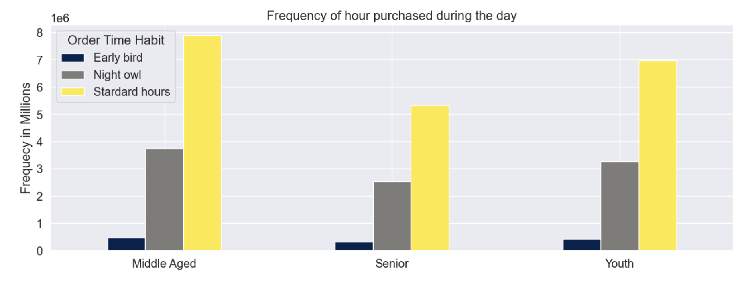

 |  | Income
 |  | The South region with low income has the largest number of purchases, followed by the West, Midwest, and finally, Northeast.

 |  | Fmaily Status
 |  | Spending by fmaily status is broadly similar
 |  | Instacart customers with babies make up barely 1% of regional users while Instacart customers without babies made the most across the US region

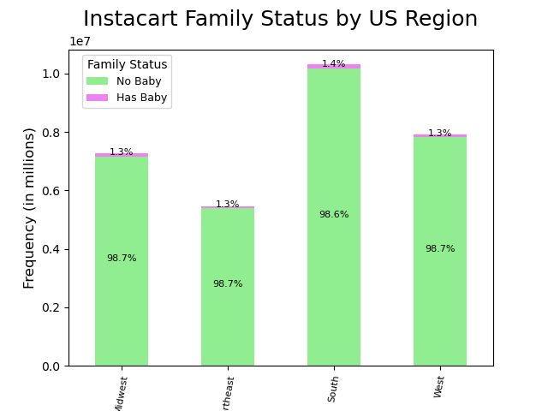
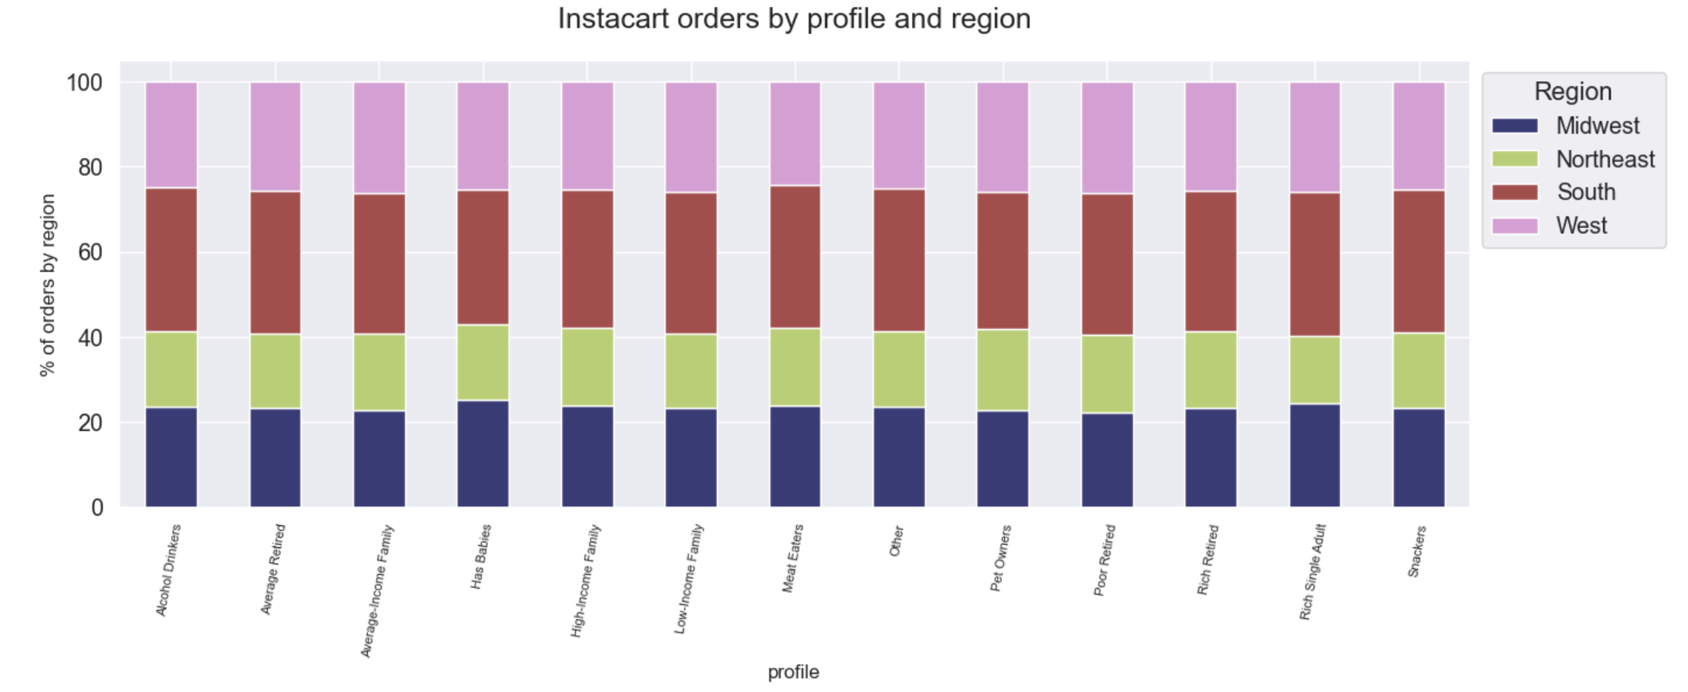

 |  | Certain types of goods
 |  | Regular shoppers make up the majority of department sales spending the most on produce, dairy & eggs and snacks
 |  | Night owls order the 2nd most by departments, Early birds order the least by department

Question 6 |  | What differences can be found in ordering habits of different customer profiles? Consider the price of orders, the frequency of orders, the products customers are ordering, and anything else you can think of.
Answer: |  | The majority of customers have purchased products from the alcohol department at some point
 |  | The majority of Instacart users are considered Vegetarian with only 5% listed as non-vegetarians.
 |  | Although many Instacart users do not have babies, Couples with children make up the majority of Houshold status of Instacart customers

7. Recommendations
 |  |  | Title page

Recommendations

In this tab you should include any recommendations you would made to Instcart in terms of their marketing strategy based on the questions posed in the brief. Every key question has been covered in the Tasks of the Exercises - here you need to add an item - a visualisation or table/crosstable that is showing the answer in the data, acompanied by a comment from you. Please, list the questions below and add the answer underneath.

 |  | Answers

 | Answer:
 | The busiest days of the week are 0, 1, 6 which mean Saturday, Sunday and Friday
Key Question 1 | 10:00 am - 3:00 pm are the busiest time of day for placing orders, with a sharp decline between 6:00 pm - 8:00 am the following day

 | Recommendation:
 | Scheduling targeted ads from Wednesday onwards could help drive up sales. Offer more special deals between 6 pm to 8 am

 | Answer:
 | The most popular purchasing times are 9am and 5pm, with a peak between 10am and 3pm.

Key Question 2 | Recommendation:
 | To take advantage of the peaks, team should consider increasing for high-priced products this time

 | Answer:
 | The most popular departments are produce followed by dairy/eggs.
 | The meat & seafood department makes up the highest percentage of high-range priced products
Key Question 3 | Alcohol and Baby item orders make up the majority of mid-range priced products
 | All other departments are considered mostly low-range to mid-range priced products

 | Recommendation:
 | The departments which contributed the most purchases were produce and dairy/eggs, so Instacart should carry on advertising
 | those producst and potentially offering deals to drive sales.
 | The department with the most amount of high-range products is meat/seafood,
 | Instacart should consider ways you could either increase the number of products available to maximise sales

 | Answer:
 | Loyal customers, or those with 40 or more purchases make up 32% of customers, followed by regular customers at 49% who have made
Key Question 4 | between 10 and 40 purchases, and finally by new customers who make up 9% of the data set

 | Recommendation:
 | To ensure that new customers continue to return so Instacart could consider giving percentage discounts for orders to new users to increase uptake.

 | Answer:
 | Customers in the South make the most all orders across the region, by spending, by departments, then followed by the Midwest
Key Question 5 | The Southern customers tend to be regular customers in terms of ordering-time habits, they also tend to fall into the low-income class

 | Recommendation:
 | Instacart should consider advertising buy one get one deals on high-range priced items.
 | More active and consistent advertising campaign in low-income neighbourhoods

 | Answer:
 | Middle-aged customers tend to purchase the most items per order & shop mostly on weekends
Key Question 6 | However Average-retired customers are the most common Instacart customers

 | Recommendation:
 | Instacart could consider offers and campaigns which target senior demographics during the day-time

 | Answer:
 | Although less than 2% of Instacart customers have babies, customers with children
 | make up the majority of Instacart customers by household status
Key Question 7
 | Recommendation: Creating a rewards scheme which rewards customers for instacart customers have babies
 | for example, offering better deals on baby products

